10_13
Sort Order | Thumbnail | Filename | Description | Year | Medium | Dimensions
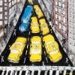 1 |  | IMG_0991.jpg |  | 2013 | spray paint, oil, charcoal, acrylic, and oil paint stick | 55" x 55"
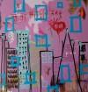 2 |  | IMG_6480.JPG |  | 2013 | spray paint, oil, acrylic, and oil paint stick | 42" x 54"
 3 |  | IMG_6494.JPG |  | 2013 | spray paint, oil, acrylic, and oil paint stick | 44" x 58"
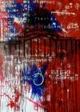 4 |  | IMG_6498.JPG |  | 2013 | spray paint, oil, acrylic, and oil paint stick | 40" x 56"
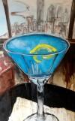 5 |  | IMG_6615.JPG |  | 2013 | spray paint, oil, acrylic, charcoal, and oil paint stick | 70" x 44"
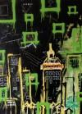 6 |  | IMG_6781.JPG |  | 2013 | spray paint, oil, acrylic, and oil paint stick | 52" x 58"
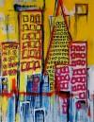 7 |  | IMG_6783.JPG |  | 2013 | spray paint, oil, acrylic, and oil paint stick | 46" x 50"
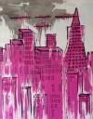 8 |  | IMG_6785.JPG |  | 2013 | spray paint, oil, acrylic, and oil paint stick | 46" x 50"
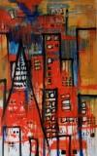 9 |  | IMG_6787.JPG |  | 2013 | spray paint, oil, acrylic, and oil paint stick | 36" x 46"
10 |  | IMG_6788.JPG |  | 2013 | spray paint, oil, acrylic, and oil paint stick | 38" x 48"
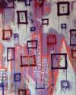 11 |  | IMG_6790.JPG |  | 2013 | spray paint, oil, acrylic, and oil paint stick | 54" x 58"
12 |  | IMG_7046.JPG |  | 2013 | spray paint, oil, acrylic, and oil paint stick | 44" x 54"
13 |  | IMG_7047.JPG |  | 2013 | spray paint, oil, acrylic, and oil paint stick | 36" x 60"
14 |  | IMG_7702.JPG |  | 2013 | spray paint, oil, acrylic, and oil paint stick | 34" x 60"

